Charts
Sales by Category
Sales by Product Category Table
Product Category |  | 0
Beauty |  | 143515
Clothing |  | 155580
Electronics |  | 156905
Sales by Product Category Table
Product Category | Total Sales
Beauty | 143515
Clothing | 155580
Electronics | 156905

Quantity Sold by Product Category Table
Product Category | Total Quantity Sold
Beauty | 771
Clothing | 894
Electronics | 849

Quantity Sold by Product Category
Quantity Sold by Product Category Table
Product Category |  | 0
Beauty |  | 771
Clothing |  | 894
Electronics |  | 849
Sales by Gender
Sales by Gender
Gender |  | 0
Male |  | 223160
Female |  | 232840
Sales by Gender
Gender | Total Sales
Male | 223160
Female | 232840

Part 05_Sorting and filter ss
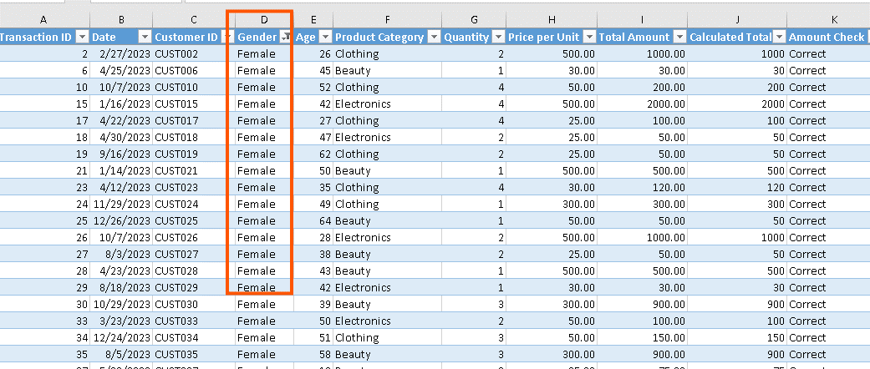
1. Which transaction has the highest total amount?

3. Show only transactions where Product Category is Clothing.

4. Show only transactions where Gender is Female.

